Result
Instrument - Spectrometer L (VISUALISATION)

 | Right Cheek | Left Cheek

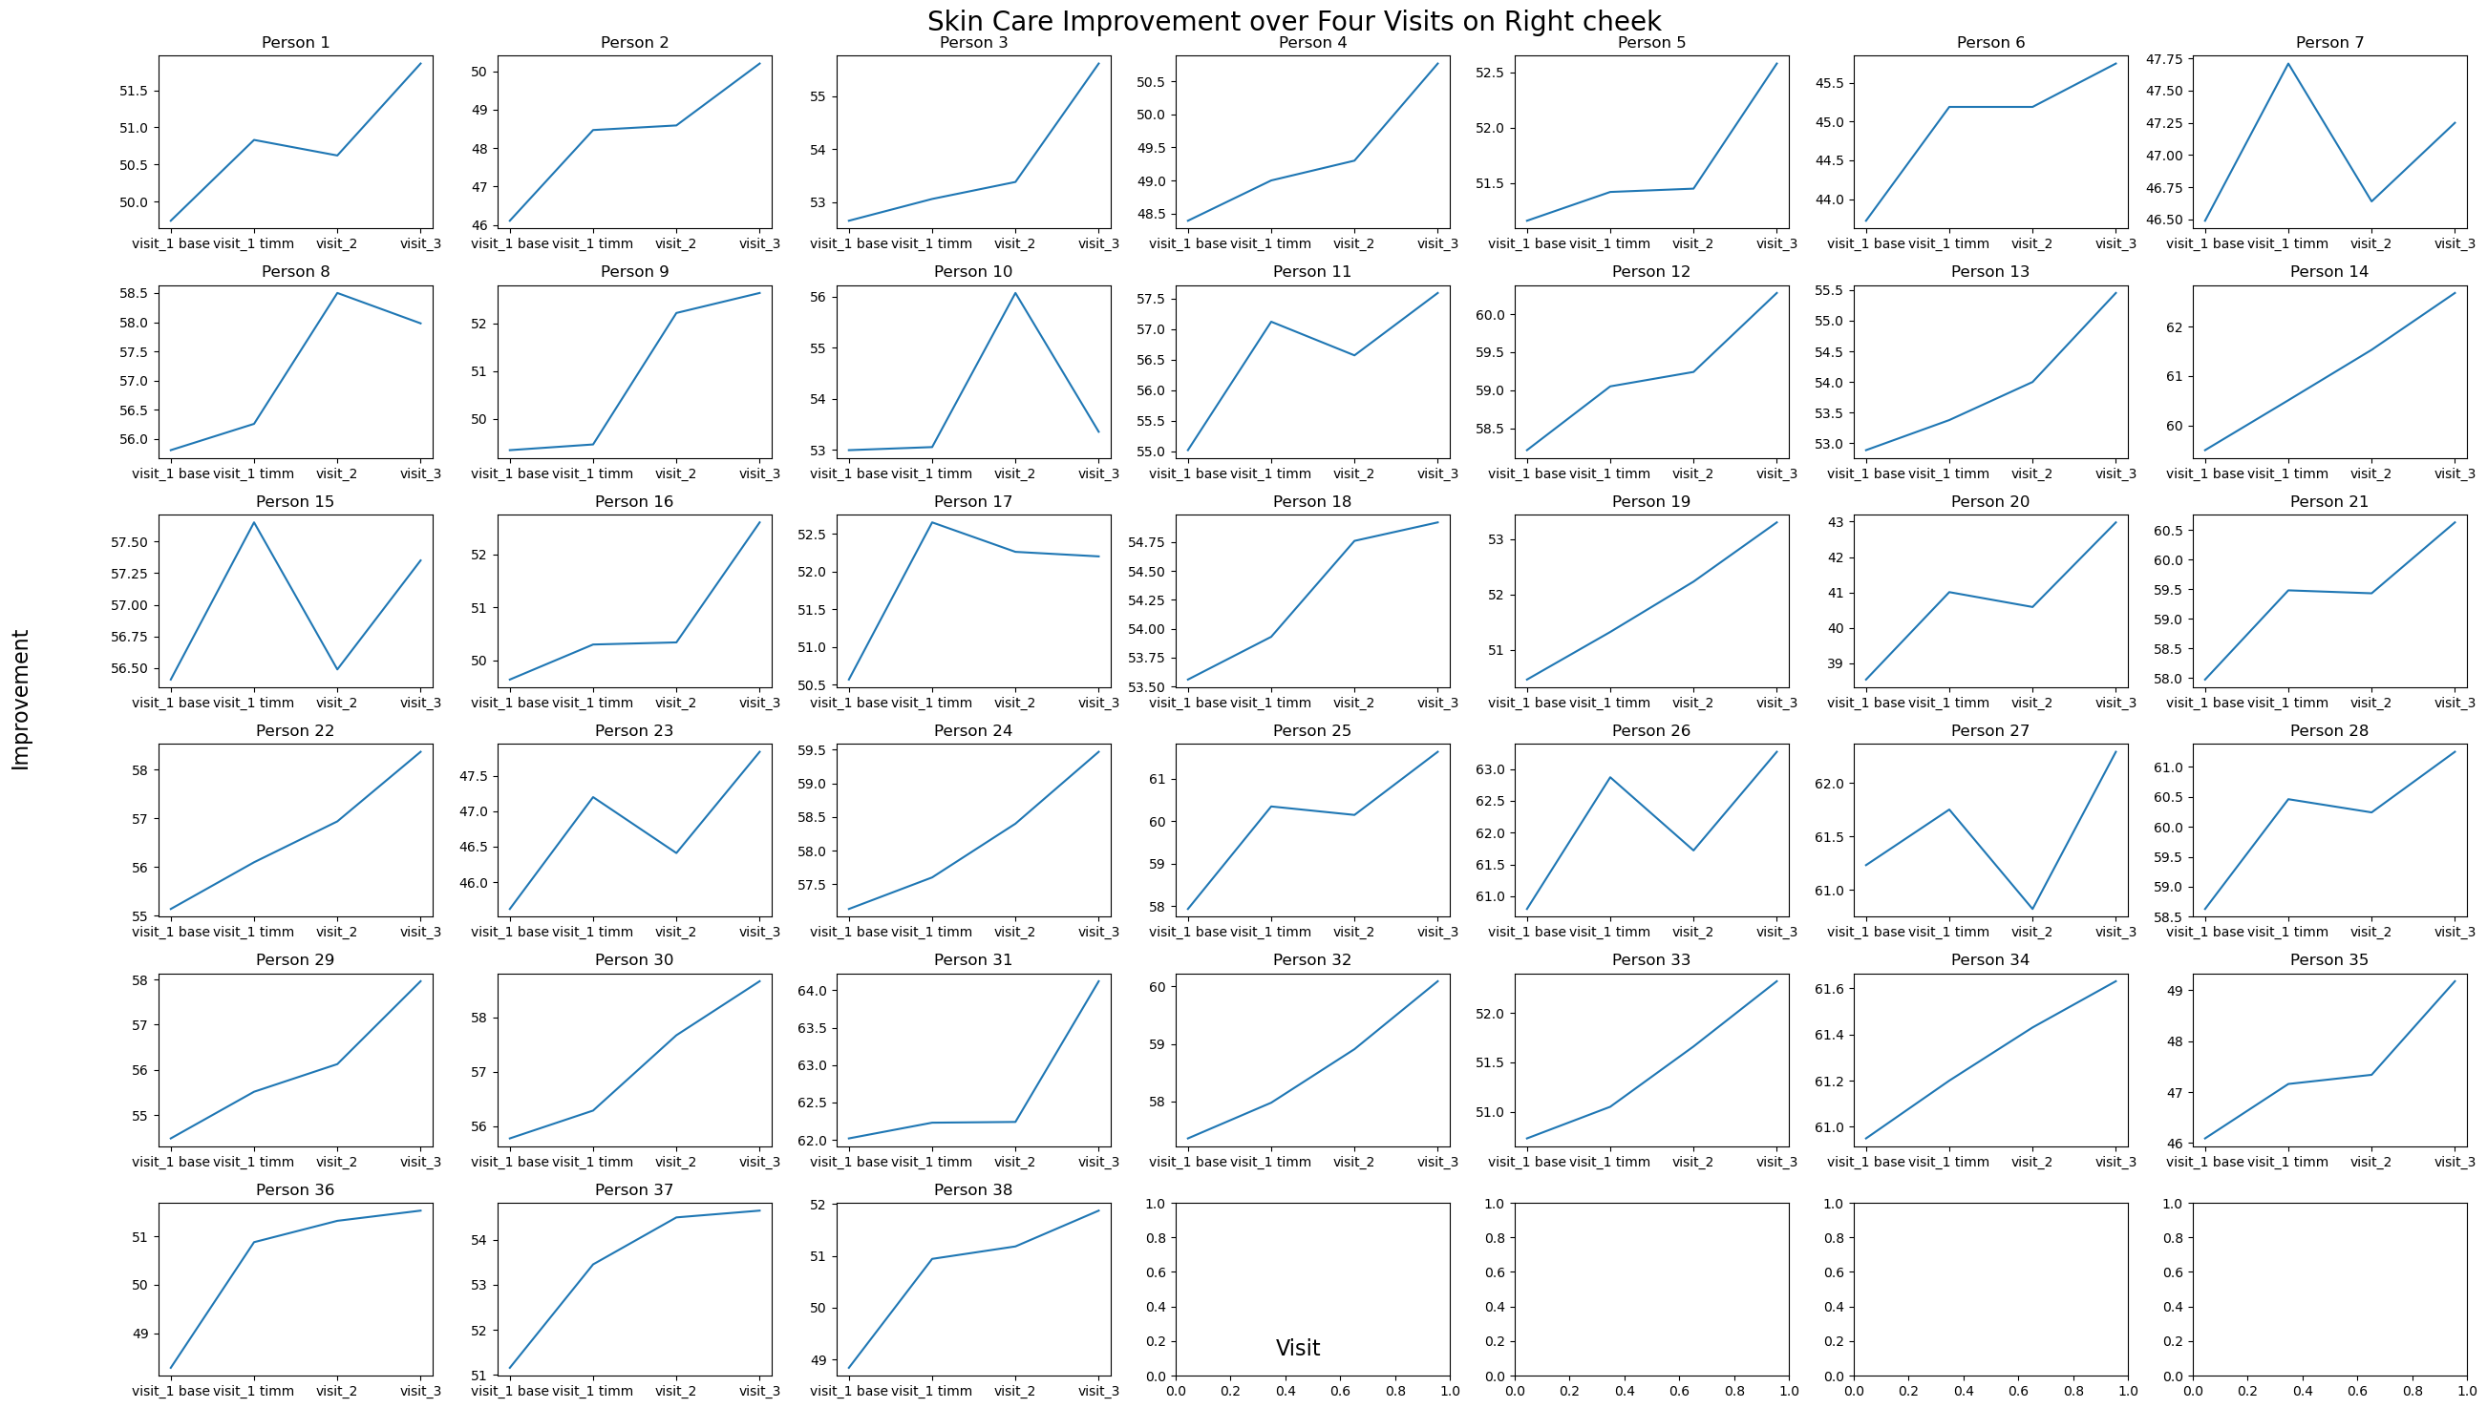
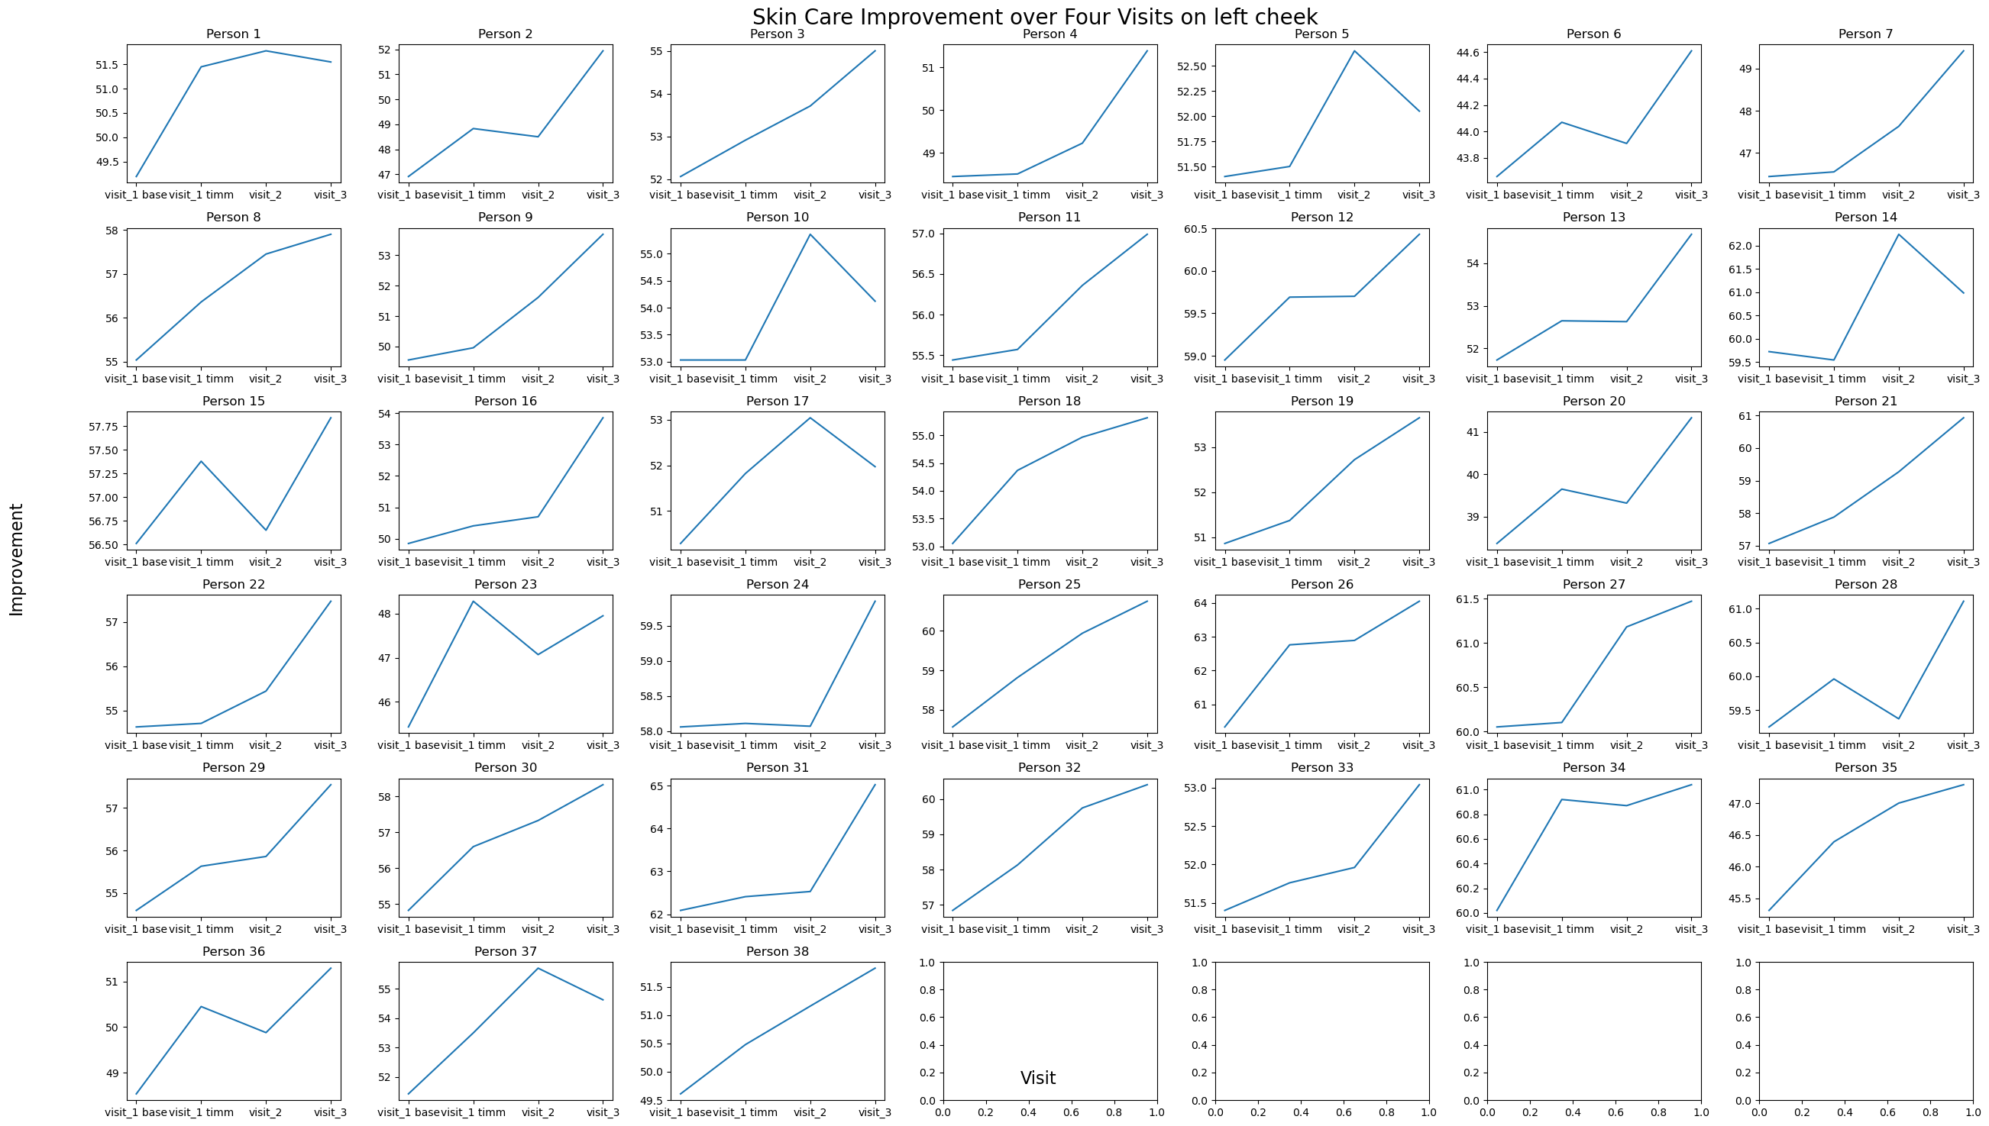

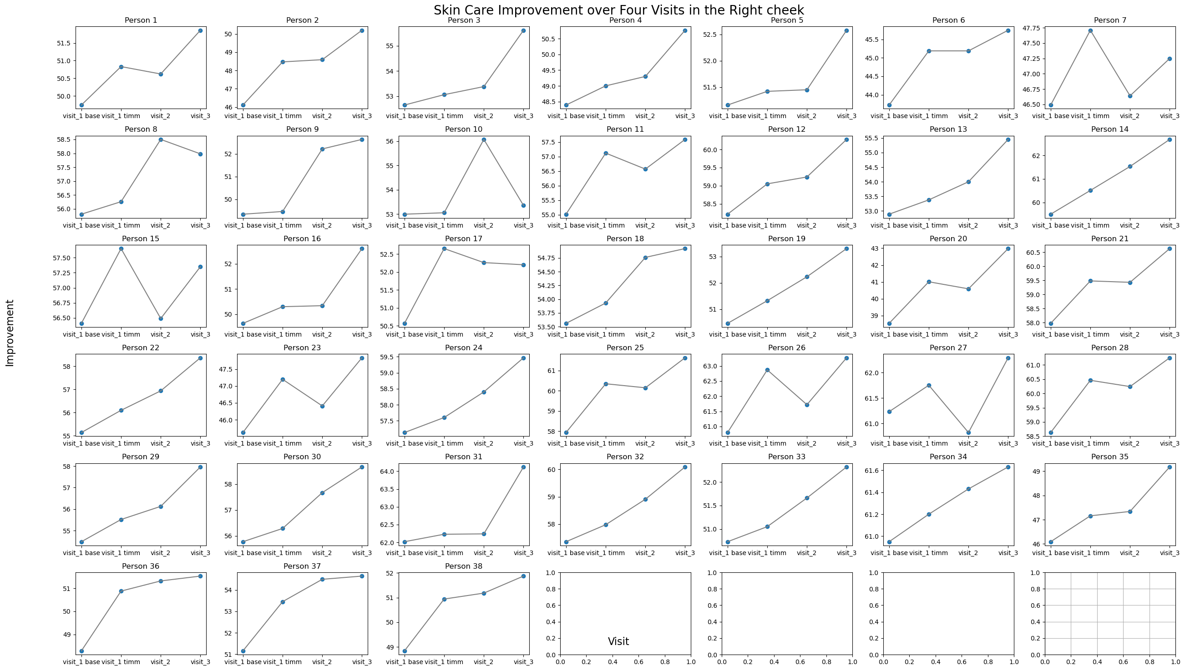
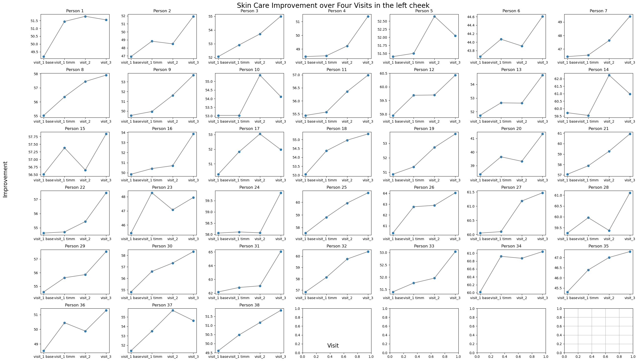

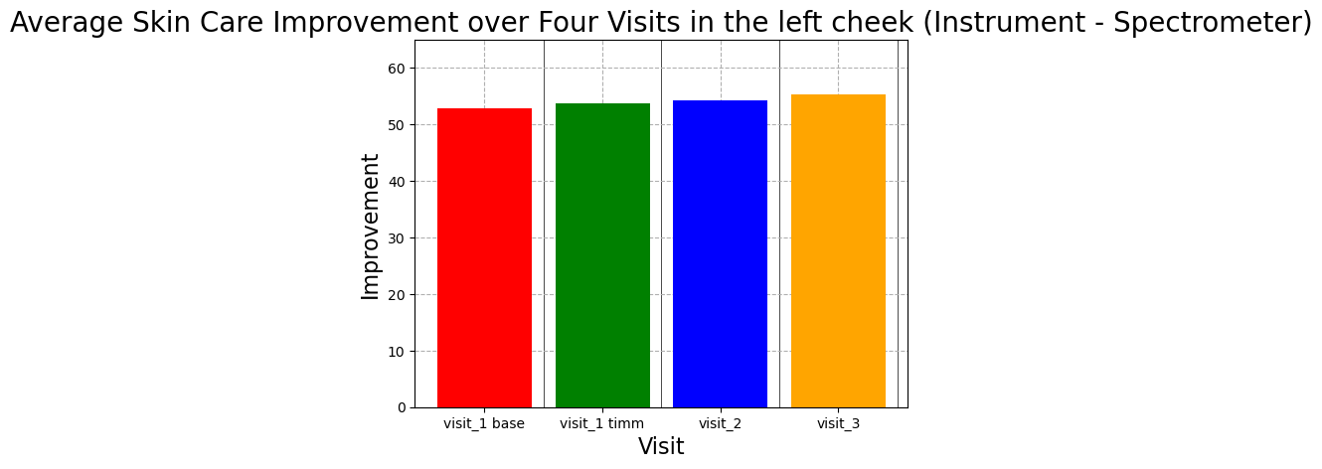
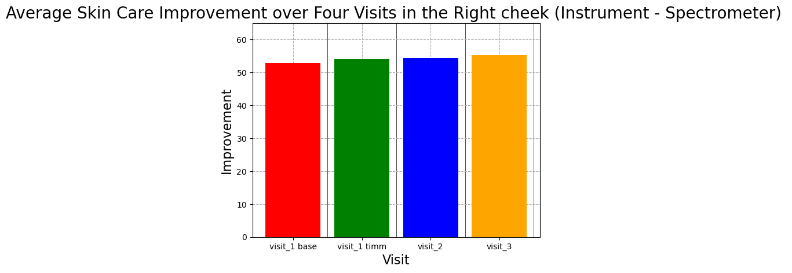

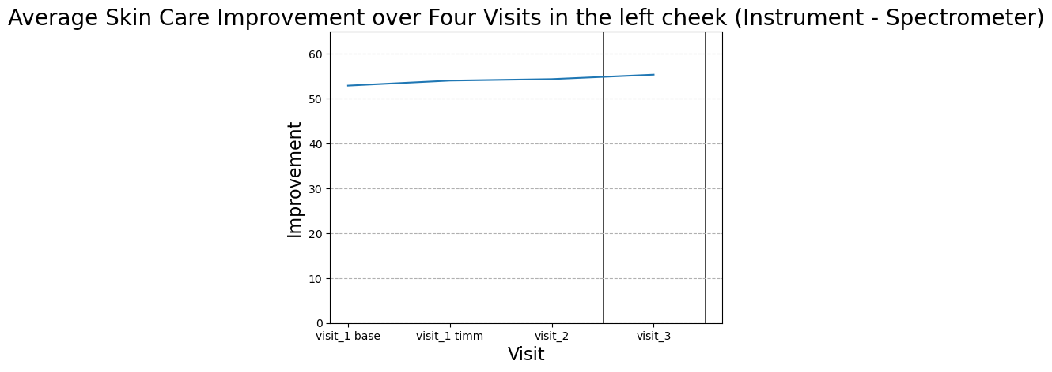


 | Instrument - Corneometer (Visualisation)

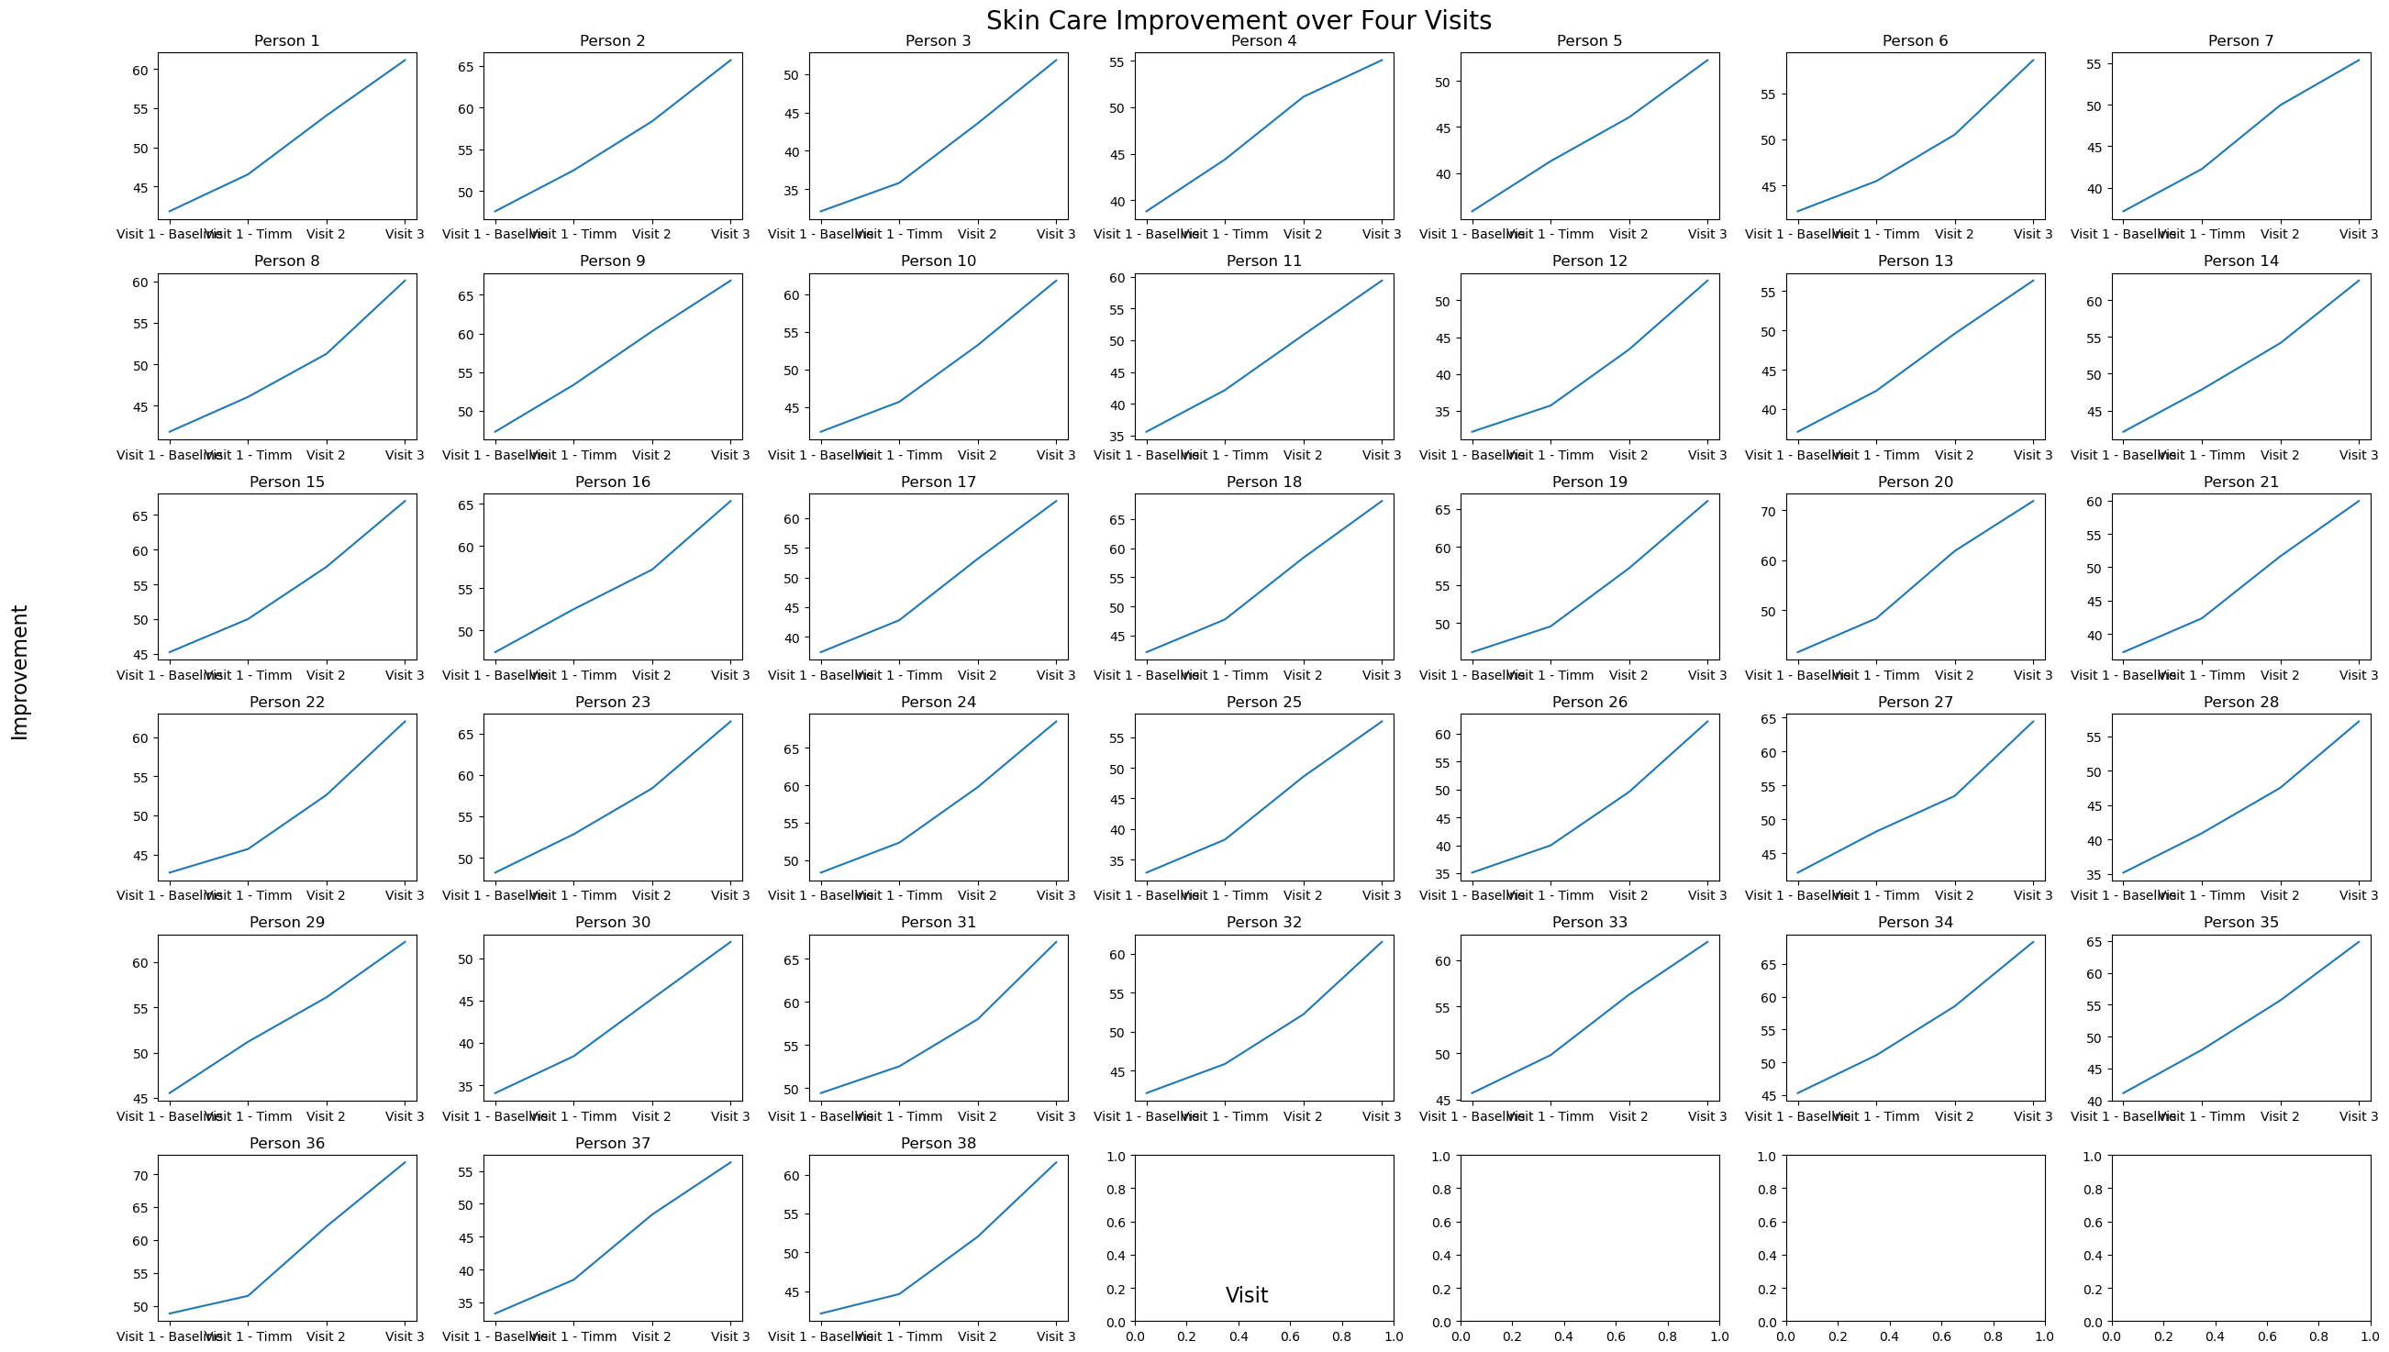

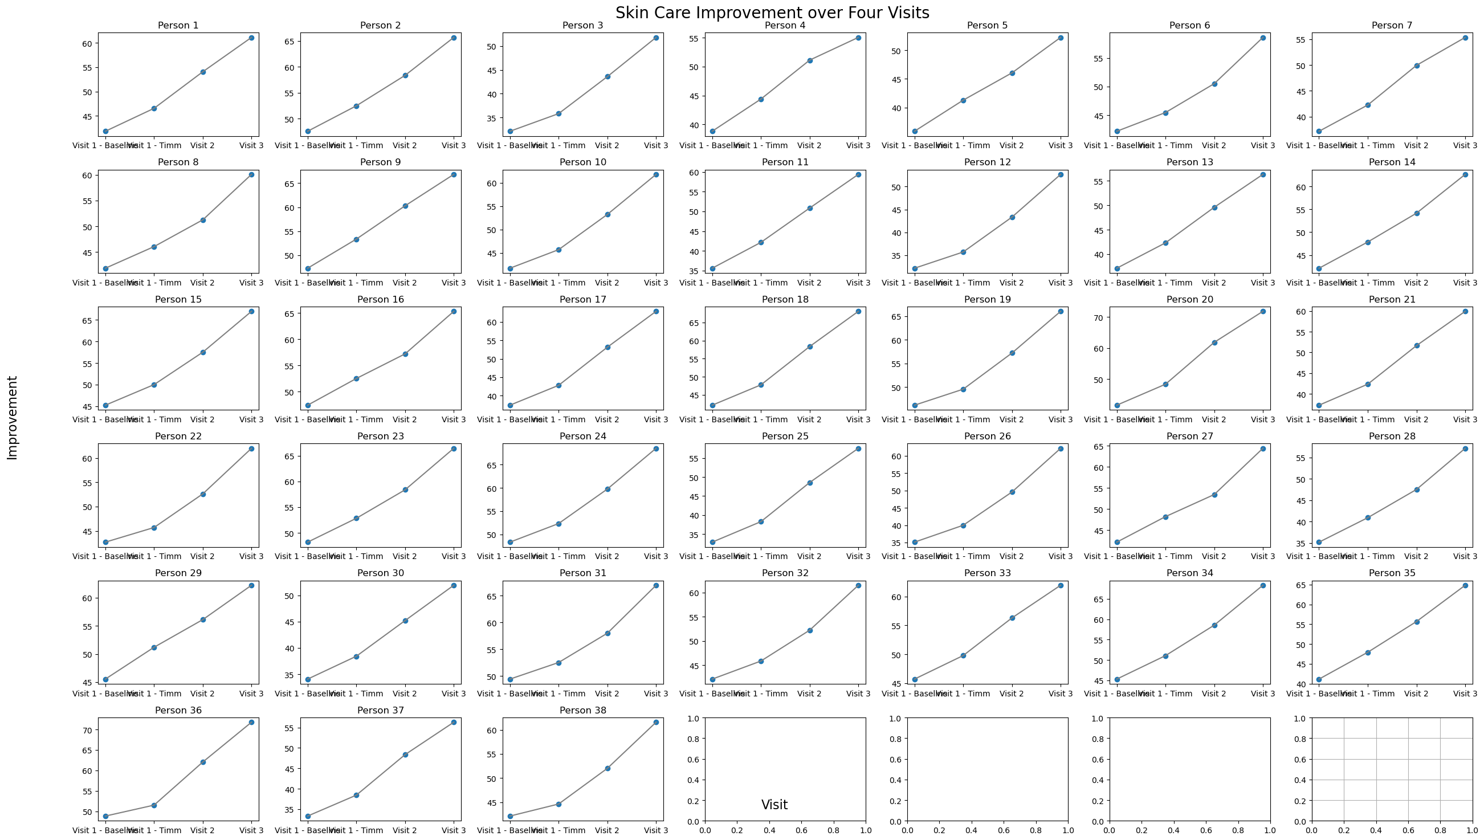

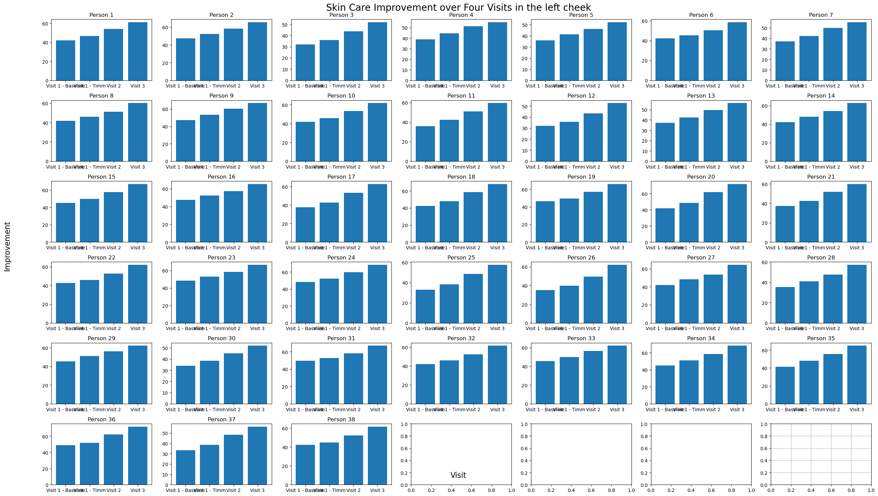

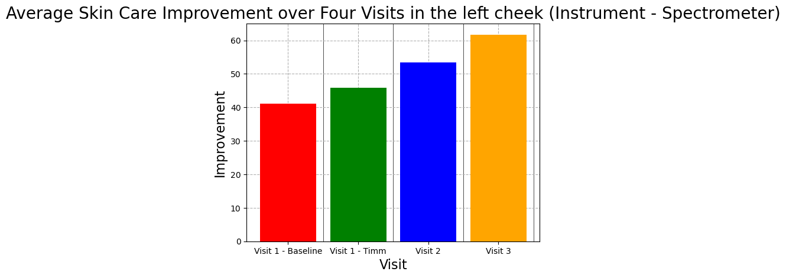

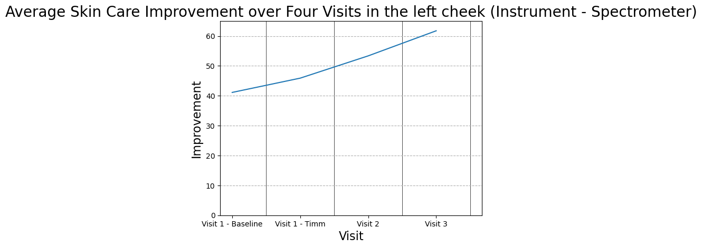

Final Conclusion : After Analysis of data we got from spectrometer L it is showing that after applying product on both cheeks not all the persons getting equal increase in skin Brightness bt if we see on an average result of our product it is showing us good result.

Final Conclusion : After Analysis of data we got from Corneometer it is showing that after applying product every persons getting almost equal increase in skin Hydration & on an average Product is doing well

